Frame_Level_COVARIATES
Variable | Type | Description (source: Microsoft Azure)
video_id | Participant level attribute | Id of video
frame_id | Frame level attribute | Id of frame in video
second | Frame level attribute | second of video
age | Frame level attribute | The estimated age in years of a particular face
gender | Frame level attribute | The estimated gender of the given face. Possible values are male, female, and genderless
smile | Frame level attribute | The smile expression of the given face. This value is between zero for no smile and one for a clear smile
head_pose_roll | Frame level attribute | 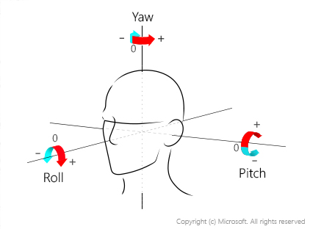 The face's orientation in 3D space. This attribute is described by the roll, yaw, and pitch angles in degrees, which are defined according to the right-hand rule. The order of three angles is roll-yaw-pitch, and each angle's value range is from -180 degrees to 180 degrees. 3D orientation of the face is estimated by the roll, yaw, and pitch angles in order. See the following diagram for angle mappings:
head_pose_yaw | Frame level attribute
head_pose_pitch | Frame level attribute
emot_anger | Frame level attribute | A list of emotions with their detection confidence for the given face. Confidence scores are normalized, and the scores across all emotions add up to one. The emotions returned are happiness, sadness, neutral, anger, contempt, disgust, surprise, and fear
emot_contempt | Frame level attribute
emot_disgust | Frame level attribute
emot_fear | Frame level attribute
emot_happiness | Frame level attribute
emot_neutral | Frame level attribute
emot_sadness | Frame level attribute
emot_surprise | Frame level attribute
noise_level | Frame level attribute | The visual noise detected in the face image. This attribute returns a value between zero and one and an informal rating of low, medium, or high
noise_value | Frame level attribute
exposure_level | Frame level attribute | The exposure of the face in the image. This attribute returns a value between zero and one and an informal rating of underExposure, goodExposure, or overExposure
exposure_value | Frame level attribute
blur_level | Frame level attribute | The blurriness of the face in the image. This attribute returns a value between zero and one and an informal rating of low, medium, or high
blur_value | Frame level attribute
forehead_occluded | Frame level attribute | Whether there are objects blocking parts of the face. This attribute returns a Boolean value for eyeOccluded, foreheadOccluded, and mouthOccluded
eye_occluded | Frame level attribute
mouth_occluded | Frame level attribute
pupil_left_x | Frame level attribute | 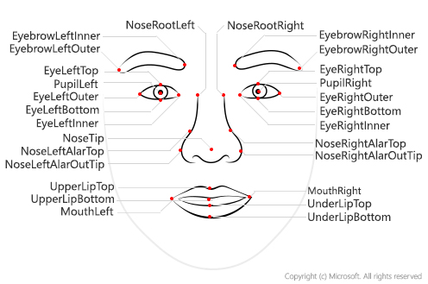 Face landmarks are a set of easy-to-find points on a face, such as the pupils or the tip of the nose. By default, there are 27 predefined landmark points. The coordinates of the points (x,y) are returned in units of pixels. The following figure shows all 27 points:
pupil_left_y | Frame level attribute
pupil_right_x | Frame level attribute
pupil_right_y | Frame level attribute
nose_tip_x | Frame level attribute
nose_tip_y | Frame level attribute
mouth_left_x | Frame level attribute
mouth_left_y | Frame level attribute
mouth_right_x | Frame level attribute
mouth_right_y | Frame level attribute
eyebrow_left_outer_x | Frame level attribute
eyebrow_left_outer_y | Frame level attribute
eyebrow_left_inner_x | Frame level attribute
eyebrow_left_inner_y | Frame level attribute
eye_left_outer_x | Frame level attribute
eye_left_outer_y | Frame level attribute
eye_left_top_x | Frame level attribute
eye_left_top_y | Frame level attribute
eye_left_bottom_x | Frame level attribute
eye_left_bottom_y | Frame level attribute
eye_left_inner_x | Frame level attribute
eye_left_inner_y | Frame level attribute
eyebrow_right_inner_x | Frame level attribute
eyebrow_right_inner_y | Frame level attribute
eyebrow_right_outer_x | Frame level attribute
eyebrow_right_outer_y | Frame level attribute
eye_right_inner_x | Frame level attribute
eye_right_inner_y | Frame level attribute
eye_right_top_x | Frame level attribute
eye_right_top_y | Frame level attribute
eye_right_bottom_x | Frame level attribute
eye_right_bottom_y | Frame level attribute
eye_right_outer_x | Frame level attribute
eye_right_outer_y | Frame level attribute
nose_root_left_x | Frame level attribute
nose_root_left_y | Frame level attribute
nose_root_right_x | Frame level attribute
nose_root_right_y | Frame level attribute
nose_left_alar_top_x | Frame level attribute
nose_left_alar_top_y | Frame level attribute
nose_right_alar_top_x | Frame level attribute
nose_right_alar_top_y | Frame level attribute
nose_left_alar_out_tip_x | Frame level attribute
nose_left_alar_out_tip_y | Frame level attribute
nose_right_alar_out_tip_x | Frame level attribute
nose_right_alar_out_tip_y | Frame level attribute
upper_lip_top_x | Frame level attribute
upper_lip_top_y | Frame level attribute
upper_lip_bottom_x | Frame level attribute
upper_lip_bottom_y | Frame level attribute
under_lip_top_x | Frame level attribute
under_lip_top_y | Frame level attribute
under_lip_bottom_x | Frame level attribute
under_lip_bottom_y | Frame level attribute

